Quality Specs - Electrolux
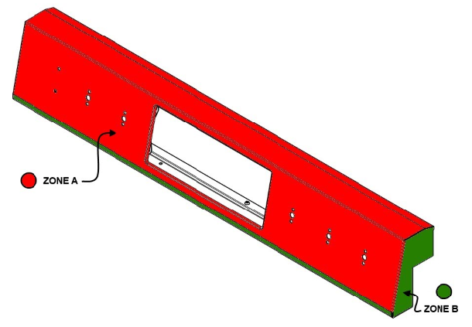
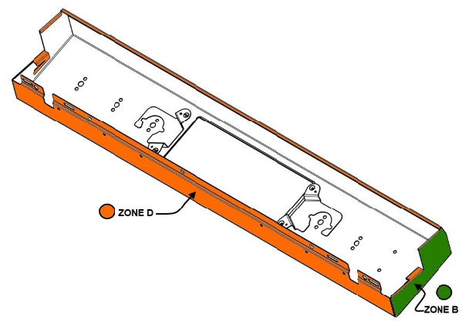
 | 8.5.2.37 QUALITY SPECIFICATIONS - ELECTROLUX

Created By: Mohan Srinivas | Created On: 05/07/2019 | Revised By: N / A |  | Revised : N / A
Approved By: Jordan Bogaert
View part in mounted position, from approximatey 30 inches from all user position. Do not tilt parts to highlight defects
Inspection area should be lighted 70 - 110 Foot Candles. Ensure to use Gloves while handling these parts
DEFECT | ZONE " A" | ZONE B | ZONE C |  | ZONE D
Chip | None Allowed | None Allowed | None Allowed - Except where touch up |  | 1.50 mm max. from edges & around radii; No bare metal
Fracture / Crack | None Allowed | None Allowed | None Allowed |  | None Allowed
Contrasting Defects: Specks, Starring, Water Rings, Scuffs, Drag Marks, etc. | 0.5 mm across or long - No more than 2 of any size within 12.7 cm | 1.0 mm across or long - No more than 2 of any size within 8.9 cm | 1.50 mm across or long - No quantity limit |  | 1.90 mm across or long - No quantity limit
Inward Surface / Finish defect : Craters, Roller Marks, Dents, Slugs / Weld Marks | 1.5 mm across or long - No more than 2 of any size within 12.7 cm | 1.90 mm across or long - No more than 2 of any size within 8.9 cm | 1.90 mm across or long - No more than 2 of any size within 12.7 cm |  | 2.55 mm across or long - No quantity limit
Outward Surface / Finish Defect: Dirt, Trash, Slug Marks, Paint Lumps, Dents, etc. | 0.75 mm across or long - No more than 2 of any size within 12.7 cm | 1.14 mm across or long - No more than 2 of any size within 8.9 cm | 1.90 mm across or long - No more than 2 of any size within 12.7 cm |  | 2.55 mm across or long - No quantity limit
Light Spray (No Touch Up) | None Allowed | None Allowed | Total Area no larger than 9 cm* 9 cm |  | Total Area no larger than 18.2 cm* 18.2 cm
Orange Peel | None Allowed | 2.5 cm * 2.5 cm area max | 22.85 cm * 22.85 cm area max |  | Acceptable
Line Scratch | 3.10 mm long max; No more than 2 of any size within 12.7 cm | 6.20 mm long max; No more than 2 of any size within 12.7 cm | 9.50 mm long max; No more than 2 of any size within 12.7 cm |  | 12.7 mm across or long; No bare metal; No quantity Limit
Drain Line | None Allowed | None Allowed | Acceptable if color is matching; No bare metal |  | Acceptable; No bare metal
Fish Scale | None Allowed | None Allowed | None Allowed |  | None Allowed
Touch Up | None Allowed | None Allowed | None on Cook tops |  | Acceptable

